data
The square footage statistic is provided for all cost centers including the plant and this way
square footage identified by cost center will total the gross square footage stated as the statistic in the plant cost center.

The operating expenses, the units of measure and the operating expenses per unit of measure are stated on line 496 thru line 575 in columns
B thru G. Increases or decreases in operating expenses per unit of measure exceeding 25% are stated in column H. Please submit an
attachment with the report that addresses why those changes took place. Also please provide any corrections that might be in order.

Your hospital license number and fiscal year end have already been entered. These items need to be in alpha format rather
than numeric format in order to pick up correctly for upload to the year end report database.

If you want to review what you reported for the prior year you can click on the tab titled prior year.

If you have any questions or concerns please call Communty Health Systems at 360-236-4210 or send an e-mail to |  |  |  |  | hos@doh.wa.gov.
To submit your report by electronic mail, please send to: |  | hos@doh.wa.gov.

Please remember to send a signed certification page and an audited financial statement by regular mail when they are available.

It is only necessary to enter data on this page. Items will automatically transfer from this page to the report pages.

Employee Benefits
The employee benefits can be entered directly, assigned to the cost centers based on a percentage of salaries, or a combination of the two.
1) Enter the amount of employee benefits directly recorded in cell B47.
2) Enter the employee benefits directly recorded by cost center in cells C47..CC47.
3) Enter the total unassigned employee benefits that will be assigned based on salaries in cell B48.

Depreciation
The Depreciation can be entered directly, assigned by square footage, or a combination of the two.
1) Enter the total amount of depreciation directly assigned in cell B51.
2) Enter the amount of depreciation directly recorded by cost center in cells C51..CC51.
3) Enter the amount of depreciation that will be assigned by square footage in cell B52.

After the salaries and the departmental square footage statistics are entered, the departmental employee benefits and depreciation will be
calculated on lines 48 and 52, respectively.

 |  | 6010 | 6030 | 6070 | 6100 | 6120 | 6140 | 6150 | 6170 | 6200 | 6210 | 6330 | 6400 | 7010 | 7020 | 7030 | 7040 | 7050 | 7060 | 7070 | 7110 | 7120 | 7130 | 7140 | 7150 | 7160 | 7170 | 7180 | 7190 | 7200 | 7220 | 7230 | 7240 | 7250 | 7260 | 7310 | 7320 | 7330 | 7340 | 7350 | 7380 | 7390 | 7400 | 7410 | 7420 | 7430 | 7490 | 8200 | 8310 | 8320 | 8330 | 8350 | 8360 | 8370 | 8420 | 8430 | 8460 | 8470 | 8480 | 8490 | 8510 | 8530 | 8560 | 8590 | 8610 | 8620 | 8630 | 8640 | 8650 | 8660 | 8670 | 8680 | 8690 | 8700 | 8710 | 8720 | 8730 | 8740 | 8770 | 8790 | 8830-8900 | 9999
 | See Instructions | Intensive | Semi-Intensive | Acute | Alternative | Physical | Psychiatric | Chemical | Nursery | Skilled | Swing | Hospice | Other Daily | Labor & | Surgical | Recovery | Anesthesiology | Central | Intravenous | Laboratory | Electro- | Magnetic Res | CT | Radiology - | Radiology - | Nuclear | Pharmacy | Respiratory | Dialysis | Physical | Psychiatric | Emergency | Ambulance | Short | Clinics | Occupational | Speech | Recreational | Electro- | Observation | Free-Standing | Air | Home Care | Lithotripsy | Organ | Outpatient | Other | Research/Education | Printing & | Dietary | Cafeteria | Laundry & | Social | Central | Purchasing | Plant | Housekeeping | Communication | Data | Other General | Accounting | Patient | Admitting | Other | Hospital | Employee | Public | Management | Personnel | Auxiliary | Chaplaincy | Medical | Medical | Medical | Utilization | Nursing | Nursing Float | Inservice | Comm. Health | Other |  | Grand
Employee Benefits | Above | Care | Care | Care | Birth Ctr | Rehab | Care | Dependency |  | Nursing | Beds | Inpatient | Services | Delivery | Services | Room |  | Services | Therapy |  | diagnosis | Imaging | Scanning | Diagnostic | Therapeutic | Medicine |  | Therapy |  | Therapy | Day Care | Room |  | Stay |  | Therapy | Therapy | Therapy | myogray | Unit | Clinics | Transportation | Services |  | Transplants | Chem. Dep. | Ancillary | Costs | Duplication |  |  | Linen | Services | Transportation |  |  |  |  | Processing | Services |  | Accounts |  | Fiscal Svcs | Administration | Health | Relations | Engineering |  | Groups | Services | Library | Records | Staff | Management | Administration | Personnel | Education | Education | Admin Services |  | Total
directly recorded | 171,364,396 |  |  |  |  |  |  |  |  |  |  |  |  |  |  |  |  |  |  |  |  |  |  |  |  |  |  |  |  |  |  |  |  |  |  |  |  |  |  |  |  |  |  |  |  |  |  |  |  |  |  |  |  |  |  |  |  |  |  |  |  |  |  |  |  |  |  |  |  |  |  |  |  |  |  |  |  |  |  |  |  | 0
assigned based on salaries |  | 0 | 0 | 0 | 0 | 0 | 0 | 0 | 0 | 0 | 0 | 0 | 0 | 0 | 0 | 0 | 0 | 0 | 0 | 0 | 0 | 0 | 0 | 0 | 0 | 0 | 0 | 0 | 0 | 0 | 0 | 0 | 0 | 0 | 0 | 0 | 0 | 0 | 0 | 0 | 0 | 0 | 0 | 0 | 0 | 0 | 0 | 0 | 0 | 0 | 0 | 0 | 0 | 0 | 0 | 0 | 0 | 0 | 0 | 0 | 0 | 0 | 0 | 0 | 0 | 0 | 0 | 0 | 0 | 0 | 0 | 0 | 0 | 0 | 0 | 0 | 0 | 0 | 0 | 0 |  | 0
total | 171,364,396
Depreciation
depreciation directly recorded | 95,954,790 |  |  |  |  |  |  |  |  |  |  |  |  |  |  |  |  |  |  |  |  |  |  |  |  |  |  |  |  |  |  |  |  |  |  |  |  |  |  |  |  |  |  |  |  |  |  |  |  |  |  |  |  |  |  |  |  |  |  |  |  |  |  |  |  |  |  |  |  |  |  |  |  |  |  |  |  |  |  |  |  | 0
depreciation based on sq. ft. |  | 0 | 0 | 0 | 0 | 0 | 0 | 0 | 0 | 0 | 0 | 0 | 0 | 0 | 0 | 0 | 0 | 0 | 0 | 0 | 0 | 0 | 0 | 0 | 0 | 0 | 0 | 0 | 0 | 0 | 0 | 0 | 0 | 0 | 0 | 0 | 0 | 0 | 0 | 0 | 0 | 0 | 0 | 0 | 0 | 0 | 0 | 0 | 0 | 0 | 0 | 0 | 0 | 0 | 0 | 0 | 0 | 0 | 0 | 0 | 0 | 0 | 0 | 0 | 0 | 0 | 0 | 0 | 0 | 0 | 0 | 0 | 0 | 0 | 0 | 0 | 0 | 0 | 0 | 0 |  | 0
total | 95,954,790

Account Number |  | 6010 | 6030 | 6070 | 6100 | 6120 | 6140 | 6150 | 6170 | 6200 | 6210 | 6330 | 6400 | 7010 | 7020 | 7030 | 7040 | 7050 | 7060 | 7070 | 7110 | 7120 | 7130 | 7140 | 7150 | 7160 | 7170 | 7180 | 7190 | 7200 | 7220 | 7230 | 7240 | 7250 | 7260 | 7310 | 7320 | 7330 | 7340 | 7350 | 7380 | 7390 | 7400 | 7410 | 7420 | 7430 | 7490 | 8200 | 8310 | 8320 | 8330 | 8350 | 8360 | 8370 | 8420 | 8430 | 8460 | 8470 | 8480 | 8490 | 8510 | 8530 | 8560 | 8590 | 8610 | 8620 | 8630 | 8640 | 8650 | 8660 | 8670 | 8680 | 8690 | 8700 | 8710 | 8720 | 8730 | 8740 | 8770 | 8790 | 8830-8900 | 9999
Account |  | Intensive | Semi-Intensive | Acute | Alternative | Physical | Psychiatric | Chemical | Nursery | Skilled | Swing | Hospice | Other Daily | Labor & | Surgical | Recovery | Anesthesiology | Central | Intravenous | Laboratory | Electro- | Magnetic Res | CT | Radiology - | Radiology - | Nuclear | Pharmacy | Respiratory | Dialysis | Physical | Psychiatric | Emergency | Ambulance | Short | Clinics | Occupational | Speech | Recreational | Electro- | Observation | Free-Standing | Air | Home Care | Lithotripsy | Organ | Outpatient | Other | Research/Education | Printing & | Dietary | Cafeteria | Laundry & | Social | Central | Purchasing | Plant | Housekeeping | Communication | Data | Other General | Accounting | Patient | Admitting | Other | Hospital | Employee | Public | Management | Personnel | Auxiliary | Chaplaincy | Medical | Medical | Medical | Utilization | Nursing | Nursing Float | Inservice | Comm. Health | Other | Unassigned | Grand
Name |  | Care | Care | Care | Birth Ctr | Rehab | Care | Dependency |  | Nursing | Beds | Inpatient | Services | Delivery | Services | Room |  | Services | Therapy |  | diagnosis | Imaging | Scanning | Diagnostic | Therapeutic | Medicine |  | Therapy |  | Therapy | Day Care | Room |  | Stay |  | Therapy | Therapy | Therapy | myogray | Unit | Clinics | Transportation | Services |  | Transplants | Chem. Dep. | Ancillary | Costs | Duplication |  |  | Linen | Services | Transportation |  |  |  |  | Processing | Services |  | Accounts |  | Fiscal Svcs | Administration | Health | Relations | Engineering |  | Groups | Services | Library | Records | Staff | Management | Administration | Personnel | Education | Education | Admin Services | Other Direct | Total
Unit of Measure Description |  | Patient Days | Patient Days | Patient Days | Patient Days | Patient Days | Patient Days | Patient Days | Newborn Days | Patient Days | Patient Days | Patient Days | Patient Days | Procedures | Operating Min. | Recovery Min. | Anesthesia Min. | x | x | Billable Tests | Billable Tests | MRI RVU | HECT Unit | RVU | RVU | RVU | x | Treatments | Hours | Treatments | Visits | Visits | Occasions | Patients | Visits | Treatments | Treatments | Treatments | Procedures | Hours | Visits | Occasions | Visits | Treatments | Acquisitions | Visits | x | x | x | Patient Meals | Patient Meals | x | x | x | x | Gross Sq Ft | x | x | x | x | x | x | x | x | x | x | x | x | x | x | x | x | x | x | x | x | x | x | x | x | x | x
Units of Measure |  | 26,349 |  | 64,221 |  | 3,304 | 12,292 |  |  |  |  |  |  |  | 1,629,865 | 1,304,740 | 2,289,260 |  |  | 1,348,167 | 38,896 | 177,339 | 70,089 | 169,839 | 0 | 6,140 |  | 211,798 | 12,851 | 168,042 | 46,771 | 50,644 | 568 |  | 326,826 | 67,850 | 50,189 | 0 |  |  |  |  | 55,812 |  | 62 |  |  |  |  | 1,092,264 | 1,092,264 |  |  |  |  | 1,380,938
Full Time Equivalents |  | 440.88 | 0.00 | 563.02 | 0.00 | 34.97 | 135.85 | 0.00 | 0.00 | 0.00 | 0.00 | 0.00 | 0.00 | 0.00 | 197.74 | 69.81 | 22.48 | 93.33 | 14.69 | 215.45 | 56.79 | 9.36 | 10.32 | 103.91 | 0.04 | 4.10 | 188.93 | 128.22 | 34.31 | 68.12 | 111.91 | 124.07 | 26.13 | 0.00 | 884.98 | 23.29 | 19.23 | 28.93 | 0.00 | 0.00 | 0.00 | 0.07 | 65.71 | 0.00 | 4.31 | 0.00 | 53.51 | 1,045.78 | 0.00 | 192.44 | 2.49 | 3.16 | 120.91 | 6.52 | 26.79 | 200.89 | 155.78 | 24.52 | 221.22 | 45.19 | 55.44 | 191.72 | 105.62 | 0.00 | 91.91 | 13.16 | 34.57 | 42.96 | 73.43 | 5.71 | 7.47 | 2.84 | 54.78 | 25.20 | 102.38 | 62.19 | 81.31 | 0.00 | 0.00 | 252.54 | x | 6,983.39
Salaries & Wages |  | 39,127,082 | 0 | 49,197,782 | 0 | 3,221,822 | 9,180,914 | 0 | 0 | 0 | 0 | 0 | 0 | 0 | 18,329,304 | 7,726,691 | 1,485,090 | 5,672,865 | 771,266 | 20,087,970 | 5,230,495 | 1,173,985 | 1,164,818 | 9,929,429 | 5,555 | 480,631 | 19,511,439 | 11,022,059 | 3,573,165 | 5,702,916 | 9,744,032 | 11,965,545 | 3,158,200 | 0 | 84,487,650 | 2,162,177 | 1,794,375 | 2,008,541 | 0 | 0 | 0 | 9,874 | 5,444,829 | 0 | 499,878 | 0 | 4,097,794 | 77,036,410 | 0 | 11,395,015 | 111,519 | 154,122 | 9,346,810 | 280,048 | 2,015,481 | 14,852,413 | 7,451,036 | 1,623,163 | 26,485,596 | 5,826,750 | 5,709,411 | 13,633,352 | 5,756,849 | 0 | 17,698,308 | 1,268,756 | 2,960,894 | 4,520,814 | 8,104,179 | 386,381 | 703,453 | 252,991 | 3,713,436 | 2,210,344 | 10,831,541 | 6,338,649 | 5,718,192 | 0 | 0 | 51,973,994 | x | 636,328,081
Employee Benefits |  | 0 | 0 | 0 | 0 | 0 | 0 | 0 | 0 | 0 | 0 | 0 | 0 | 0 | 0 | 0 | 0 | 0 | 0 | 0 | 0 | 0 | 0 | 0 | 0 | 0 | 0 | 0 | 0 | 0 | 0 | 0 | 0 | 0 | 0 | 0 | 0 | 0 | 0 | 0 | 0 | 0 | 0 | 0 | 0 | 0 | 0 | 0 | 0 | 0 | 0 | 0 | 0 | 0 | 0 | 0 | 0 | 0 | 0 | 0 | 0 | 0 | 0 | 0 | 0 | 0 | 0 | 0 | 0 | 0 | 0 | 0 | 0 | 0 | 0 | 0 | 0 | 0 | 0 | 0 | x | 0
Professional Fees |  |  |  |  |  |  |  |  |  |  |  |  |  |  |  |  |  |  |  |  |  |  |  |  |  |  |  |  |  |  |  |  |  |  |  |  |  |  |  |  |  |  |  |  |  |  |  |  |  |  |  |  |  |  |  |  |  |  |  |  |  |  |  |  |  |  |  |  |  |  |  |  |  |  |  |  |  |  |  |  | x | 0
Supplies |  | 3,957,814 | 0 | 4,227,556 | 0 | 173,346 | 282,253 | 0 | 0 | 0 | 0 | 0 | 0 | 0 | 23,621,252 | 354,007 | 1,708,087 | 960,974 | 159,181 | 9,216,110 | 262,588 | 80,887 | 65,931 | 5,097,982 | 2,329 | 683,527 | 85,609,220 | 3,811,464 | 1,221,188 | 171,386 | 258,109 | 1,662,154 | 74,999 | 0 | 3,972,254 | 129,081 | 34,034 | 9,544 | 0 | 0 | 0 | 9,496 | 6,586,611 | 0 | 13,551 | 0 | 821,840 | 20,355,361 | 802,122 | 3,675,916 | 87,182 | 79,210 | 239,986 | 0 | 337,637 | 1,125,212 | 1,061,185 | 59,644 | 1,145,222 | 50,660 | 75,277 | 231,145 | 59,278 | 0 | 249,891 | 720,191 | 128,379 | 177,043 | 208,120 | 4,703 | 21,774 | 1,573 | 23,077 | 690,828 | 271,279 | 66,927 | 6,291 | 0 | 0 | 498,354 | x | 187,692,225
Purch. Serv. - Utilities |  | 1,131 | 0 | 0 | 0 | 1,396 | 0 | 0 | 0 | 0 | 0 | 0 | 0 | 0 | 922 | 2,935 | 0 | 0 | 0 | 0 | 1,948 | 0 | 0 | 690 | 0 | 0 | 474 | 441 | 0 | 0 | 14,814 | 0 | 3,384 | 0 | 132,316 | 0 | 0 | 0 | 0 | 0 | 0 | 0 | 45,666 | 0 | 60 | 0 | 3,298 | 2,065,280 | 0 | 216 | 0 | 0 | 6,692 | 0 | 216 | 6,690,157 | 1,409,702 | 1,132,375 | 2,799,664 | 209,510 | 20,380 | 0 | 0 | 0 | 8,348 | 0 | 1,199 | 1,000 | 5,094 | 0 | 0 | 0 | 1,794 | 2,745 | 524 | 1,028 | 0 | 0 | 0 | 114,649 | x | 14,680,051
Purch. Serv. - Other |  | 13,955,787 | 0 | 4,359,405 | 0 | 246,479 | 321,437 | 0 | 0 | 0 | 0 | 0 | 0 | 0 | 3,053,706 | 608,055 | 1,645,024 | 3,302,902 | 0 | 9,184,701 | 637,376 | 33,361 | 30,440 | 1,630,835 | 759,817 | 38,026 | 417,683 | 1,717,068 | 389,269 | 52,305 | 1,888,352 | 1,192,085 | 344,335 | 0 | 4,445,808 | 0 | 430 | 902 | 0 | 0 | 0 | 0 | 365,216 | 0 | 3,204,828 | 0 | 533,989 | 152,997,766 | 756,475 | 202,274 | 3,240 | 3,076,531 | 3,613,425 | 0 | 466,697 | 2,782,884 | 308,081 | 772,645 | 35,483,264 | 4,511,955 | 5,099,434 | 2,044,128 | 15,452 | 0 | 6,885,847 | 48,730 | 3,804,604 | 1,849,731 | 3,602,830 | 5,835 | 13,284 | 47,580 | 1,096,628 | 28,921,731 | 2,490,661 | 204,672 | 364,754 | 0 | 0 | 23,566,284 | x | 339,397,041
Depreciation |  | 0 | 0 | 0 | 0 | 0 | 0 | 0 | 0 | 0 | 0 | 0 | 0 | 0 | 0 | 0 | 0 | 0 | 0 | 0 | 0 | 0 | 0 | 0 | 0 | 0 | 0 | 0 | 0 | 0 | 0 | 0 | 0 | 0 | 0 | 0 | 0 | 0 | 0 | 0 | 0 | 0 | 0 | 0 | 0 | 0 | 0 | 0 | 0 | 0 | 0 | 0 | 0 | 0 | 0 | 0 | 0 | 0 | 0 | 0 | 0 | 0 | 0 | 0 | 0 | 0 | 0 | 0 | 0 | 0 | 0 | 0 | 0 | 0 | 0 | 0 | 0 | 0 | 0 | 0 | x | 0
Lease/Rental |  | 57,845 | 0 | 300,036 | 0 | 54,313 | 50 | 0 | 0 | 0 | 0 | 0 | 0 | 0 | 32,492 | 0 | 0 | 225,631 | 0 | 0 | 337,678 | 0 | 0 | 0 | 0 | 1,965 | 4,516 | 248,906 | 0 | 50 | 1,102,147 | 0 | 0 | 0 | 877,044 | 0 | 0 | 0 | 0 | 0 | 0 | 0 | 454,928 | 0 | 0 | 0 | 0 | 11,896,434 | 792,076 | 0 | 0 | 0 | 0 | 0 | 0 | 282,596 | 179 | 2,212 | 1,011,844 | 698,202 | 0 | 0 | 0 | 0 | 0 | 0 | 0 | 0 | 5,743 | 0 | 0 | 0 | 0 | 0 | 0 | 0 | 0 | 0 | 0 | 14,098,754 | x | 32,485,640
Other Direct Expenses |  | 168,570 | 0 | 183,185 | 0 | 8,601 | 41,143 | 0 | 0 | 0 | 0 | 0 | 0 | 0 | 1,591,998 | 44,163 | 79,820 | 162,527 | (100,493) | 1,389,694 | 233,644 | 630,784 | 620,673 | 1,209,941 | 0 | 224,607 | 320,702 | 185,086 | 104,653 | 58,873 | 450,344 | 34,594 | 18,209 | 0 | 2,118,628 | 11,382 | 9,666 | 7,507 | 0 | 0 | 0 | 0 | 316,158 | 0 | 72,186 | 0 | 261,862 | 16,788,505 | 1,487,497 | 220,217 | 6,498 | 0 | 434,339 | 0 | 11,165 | 8,002,261 | 104,255 | 150,225 | 4,335,445 | 344,846 | (403,803) | 137,555 | 896 | 0 | 1,545,670 | 21,922 | 157,747 | 170,736 | 769,060 | 6,592 | 8,191 | 833,247 | 19,545 | 595,134 | 359,493 | 236,934 | 3,272 | 0 | 0 | 6,690,645 | 61,949,004 | 115,445,804
Recoveries |  | 0 | 0 | 1,250 | 0 | 0 | 13,078 | 0 | 0 | 0 | 0 | 0 | 0 | 0 | 2,750 | 0 | 0 | 0 | 0 | 2,947,421 | 0 | 0 | 0 | 26,867 | 18,471 | 0 | 0 | 50 | 0 | 116,062 | 1,368,714 | 191,383 | 619,133 | 0 | 1,953,349 | 4,150 | 0 | 0 | 0 | 0 | 0 | 0 | 0 | 0 | 50 | 0 | 1,864,217 | 216,279,343 | 0 | 4,711,172 | 161,167 | 0 | (50,319) | 0 | 0 | 277 | 0 | 0 | 326,074 | 4,256,318 | 0 | 6,403,274 | 0 | 0 | 366,015 | 0 | 405 | 34,611 | 359 | 0 | 20,000 | 0 | 13,416 | 58,661 | 0 | (8,410) | 0 | 0 | 0 | 49,580,216 | 0 | 291,279,525
Total Adj Exp |  | 57,268,229 | 0 | 58,266,714 | 0 | 3,705,957 | 9,812,719 | 0 | 0 | 0 | 0 | 0 | 0 | 0 | 46,626,925 | 8,735,851 | 4,918,022 | 10,324,901 | 829,954 | 36,931,055 | 6,703,730 | 1,919,017 | 1,881,863 | 17,842,009 | 749,230 | 1,428,756 | 105,864,035 | 16,984,973 | 5,288,274 | 5,869,466 | 12,089,082 | 14,662,994 | 2,979,993 | 0 | 94,080,352 | 2,298,489 | 1,838,506 | 2,026,494 | 0 | 0 | 0 | 19,370 | 13,213,407 | 0 | 3,790,453 | 0 | 3,854,566 | 64,860,413 | 3,838,170 | 10,782,466 | 47,272 | 3,309,864 | 13,691,571 | 280,048 | 2,831,196 | 33,735,247 | 10,334,439 | 3,740,265 | 70,934,962 | 7,385,604 | 10,500,699 | 9,642,906 | 5,832,476 | 0 | 26,022,049 | 2,059,599 | 7,052,418 | 6,684,714 | 12,694,666 | 403,510 | 726,702 | 1,135,392 | 4,841,065 | 32,362,121 | 13,953,497 | 6,856,620 | 6,092,509 | 0 | 0 | 47,362,464 | 61,949,004 | 1,034,749,315
Tax Revenue |  | x | x | x | x | x | x | x | x | x | x | x | x | x | x | x | x | x | x | x | x | x | x | x | x | x | x | x | x | x | x | x | x | x | x | x | x | x | x | x | x | x | x | x | x | x | x | x | x | x | x | x | x | x | x | x | x | x | x | x | x | x | x | x | x | x | x | x | x | x | x | x | x | x | x | x | x | x | x | x | x
IP Revenue |  | 442,420,527 | 0 | 369,829,768 | 0 | 20,539,574 | 89,400,561 | 0 | 0 | 0 | 0 | 0 | 0 | 0 | 164,020,991 | 10,199,223 | 43,734,639 | 9,584,718 | 0 | 102,015,216 | 22,539,481 | 8,826,993 | 9,728,743 | 45,807,140 | 1,676,409 | 1,123,748 | 234,439,052 | 102,155,555 | 11,367,186 | 5,902,460 | 888,014 | 29,763,594 | 782,502 | 0 | 3,041,549 | 5,161,212 | 2,567,110 | 0 | 0 | 0 | 0 | 0 | 0 | 0 | 6,387,250 | 0 | 10,689,264 | x | x | x | x | x | x | x | x | x | x | x | x | x | x | x | x | x | x | x | x | x | x | x | x | x | x | x | x | x | x | x | x | x | x | 1,754,592,481
OP Revenue |  | 432,030 | 0 | 26,613,982 | 0 | 1,172,556 | 31,241 | 0 | 0 | 0 | 0 | 0 | 0 | 0 | 136,823,370 | 23,442,912 | 42,734,985 | 9,246,522 | 0 | 77,682,651 | 43,627,981 | 31,354,633 | 14,842,355 | 80,018,741 | 37,669 | 3,770,267 | 185,927,316 | 2,399,902 | 24,702,800 | 17,065,461 | 11,863,143 | 75,594,614 | 46,872 | 0 | 125,095,969 | 3,271,265 | 4,964,185 | 0 | 0 | 0 | 0 | 0 | 66,090,911 | 0 | 60,701 | 0 | 32,392 | x | x | x | x | x | x | x | x | x | x | x | x | x | x | x | x | x | x | x | x | x | x | x | x | x | x | x | x | x | x | x | x | x | x | 1,008,947,427
Gross Revenue |  | 442,852,556 | 0 | 396,443,750 | 0 | 21,712,130 | 89,431,802 | 0 | 0 | 0 | 0 | 0 | 0 | 0 | 300,844,361 | 33,642,135 | 86,469,624 | 18,831,240 | 0 | 179,697,867 | 66,167,462 | 40,181,626 | 24,571,098 | 125,825,881 | 1,714,078 | 4,894,015 | 420,366,368 | 104,555,458 | 36,069,987 | 22,967,921 | 12,751,157 | 105,358,209 | 829,374 | 0 | 128,137,518 | 8,432,477 | 7,531,295 | 0 | 0 | 0 | 0 | 0 | 66,090,911 | 0 | 6,447,951 | 0 | 10,721,656 | x | x | x | x | x | x | x | x | x | x | x | x | x | x | x | x | x | x | x | x | x | x | x | x | x | x | x | x | x | x | x | x | x | x | 2,763,539,908
Sq FT |  | 74,288 | 0 | 221,362 | 0 | 11,962 | 61,556 | 0 | 0 | 0 | 0 | 0 | 0 | 0 | 99,722 | 9,804 | 7,599 | 33,674 | 478 | 44,203 | 5,473 | 0 | 4,162 | 52,194 | 388 | 2,220 | 16,736 | 5,081 | 4,837 | 11,297 | 10,764 | 33,303 | 213 | 0 | 189,520 | 3,745 | 2,802 | 6,698 | 0 | 0 | 0 | 0 | 0 | 0 | 99 | 0 | 671 | 5,530 | 0 | 34,829 | 7,974 | 0 | 13,182 | 0 | 6,035 | 151,600 | 6,369 | 1,369 | 49,237 | 1,157 | 221 | 385 | 1,133 | 0 | 54,950 | 0 | 7,988 | 3,427 | 13,009 | 2,853 | 1,636 | 4,109 | 14,229 | 43,517 | 3,691 | 4,977 | 2,393 | 0 | 0 | 30,286 | x | 1,380,938 | 0
Patient Meals Served |  | 0 | 0 | 0 | 0 | 0 | 0 |  |  |  |  |  |  |  |  |  |  |  |  |  |  |  |  |  |  |  |  |  |  |  |  |  |  |  |  |  |  |  |  |  |  |  |  |  |  |  |  |  | x | x | 1,092,264 | 0 | 0 | 0 | x | x |  | x |  |  | x |  |  |  | x | x | x | x |  | 0 | 0 | 0 | 0 | 0 | 0 | 0 | 0 | 0 | 0 | x | x | 1,092,264 | 0
Housekeeping Hours of Service |  | 227 |  | 22,318 |  | 209 | 2,168 |  |  |  |  |  |  |  | 4,930 | 1,154 | 9,325 | 4,355 | 91 | 120,565 | 7,567 |  | 0 | 4,131 | 208 | 6,719 | 7,321 | 34 | 573 | 2,246 |  |  |  |  | 12,436 |  |  |  |  |  |  |  |  |  | 987 |  |  |  | x | x | x |  |  |  | x | x | x | x |  |  | x |  |  |  | x | x | x | x | x |  |  |  |  |  |  |  |  |  |  | x | x | 207,564
Dry Pounds of Laundry |  | 1,115,228 |  | 1,589,861 |  | 38,072 | 230,750 |  |  |  |  |  |  |  |  |  |  | 29,114 |  |  | 49,457 |  |  | 278,191 |  |  | 14,237 |  |  |  |  | 85,116 |  |  | 102,208 |  |  |  |  |  |  |  |  |  |  |  |  |  | x | x | x | x |  |  | x | x | x | x |  | 8,415 | x |  |  |  | x | x | x | x | x |  |  |  |  | 22,139 |  |  |  |  |  | x | x | 3,562,788 | 0
Nursing FTE's |  | 329.83 | 0.00 | 422.08 | 0.00 | 23.48 | 35.40 | 0.00 | 0.00 | 0.00 | 0.00 | 0.00 | 0.00 | 0.00 | 73.77 | 52.52 | 0.98 | 0.00 | 13.78 | 0.00 | 0.05 | 0.00 | 0.00 | 22.20 | 0.04 | 0.00 | 0.00 | 0.00 | 22.97 | 0.00 | 8.11 | 72.28 | 17.60 | 0.00 | 315.38 | 0.00 | 0.00 | 0.00 | 0.00 | 0.00 | 0.00 | 0.04 | 6.24 | 0.00 | 3.51 | 0.00 | 7.16 | x | x | x | x | x | x | x | x | x | x | x | x | x | x | x | x | x | x | x | x | x | x | x | x |  |  |  |  |  |  |  |  | x | x | 1,427.44
YE-A HOSPITAL INFORMATION Page 1 of 2
Fiscal Year Ended |  | 09/30/2019
License Number | : | 014
Hospital Name | : | Seattle Children's
Street Address |  | 4800 Sand Point Way NE
Mailing Address | : | P.O. Box 5371
City, State, Zip | : | Seattle, WA 98105-0371
County | : | King
Chief Executive Officer | : | Dr. Jeffrey Sperring
Chief Financial Officer | : | Suzanne Beitel
Chair of Governing Board | : | Susan Mask
Telephone Number | : | 206 987-2000
Facsimile Number | : | 206 987-3830

TYPE OF ORGANIZATION (If applies enter 1)
Governmental
State | :
County | :
District | :
Not For Profit
Church Operated | :
Other | : | 1
For Profit
Individual | : |  |  |  |  |  |  |  |  |  |  |  | FY2019 Audited Financials
Partnership | :
Corporation | :
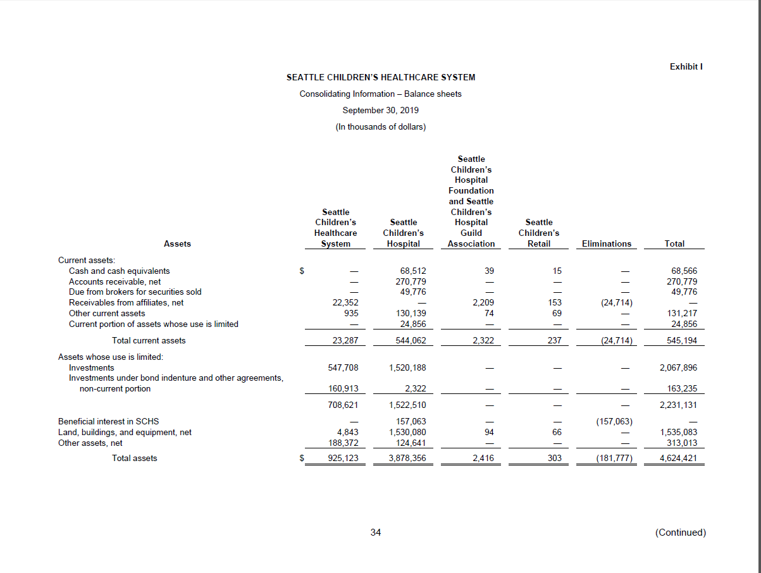
YE-A HOSPITAL INFORMATION Page 2 of 2

ACTUAL UTILIZATION |  | Admissions | Patient Days
ICU, SICU, ACUTE, PSYCH | : | 16,032 | 105,432
Skilled Nursing/Swing | :
Chemical Dependency/ATC | :
Number of Births | :
NUMBER OF BEDS AVAILABLE |  | Beds
Intensive Care | : | 91
Semi-Intensive Care | :
Acute Care - Med/Surg | : | 217
Acute Care - Pediatrics | :
Acute Care - Obstetrics | : |  |  |  |  |  |  | JS review legend
Acute Care - Rehab | : | 12
Psychiatric | : | 41 |  |  |  |  |  | √ | ties to P&L detail from 12 2019 Master Rollup - September 2019 v4 (used for audited financial statements)
Skilled Nursing | : |  |  |  |  |  |  | √√ | ties to GL for 01 (Hospital) entity
Swing Beds |  |  |  |  |  |  |  | x | ties to audited financial statement FY19, support schedule
Chemical Dependency/ATC | :
Other (Exclude Nursery) | :
Total Beds Available |  |  |  | 361
Total Beds Licensed | : | 407
Nursery - Bassinets | :

SNF/SWING Ancillary Revenue | :

 |  |  |  |  |  |  | GL | Review | Review notes
PAYER UNITS OF SERVICE AND REVENUE
HOSPITAL | Medicare | Medicaid | Other | Total
Admissions | 176 | 7,310 | 8,546 | 16,032
Patient Days | 1,130 | 53,619 | 50,683 | 105,432
OP Visits | 3,048 | 214,519 | 334,480 | 552,047
IP Revenue | 19,023,179 | 906,401,646 | 828,833,415 | 1,754,258,239
OP Revenue | 22,314,693 | 419,132,793 | 578,954,809 | 1,020,402,295 |  | 2,774,660,534 | 4000,4010,4020,4100,4110,4120,4130 | √, √√ | higher outpatient volumes, favorable payer mix
SNF/SWING | Medicare | Medicaid | Other | Total
Admissions |  |  |  | 0
Patient Days |  |  |  | 0
OP Visits |  |  |  | 0
IP Revenue |  |  |  | 0
OP Revenue |  |  |  | 0
ATC | Medicare | Medicaid | Other | Total
Admissions |  |  |  | 0
Patient Days |  |  |  | 0
OP Visits |  |  |  | 0
IP Revenue |  |  |  | 0
OP Revenue |  |  |  | 0

HBP Component | Revenue | Expense
HBP Component

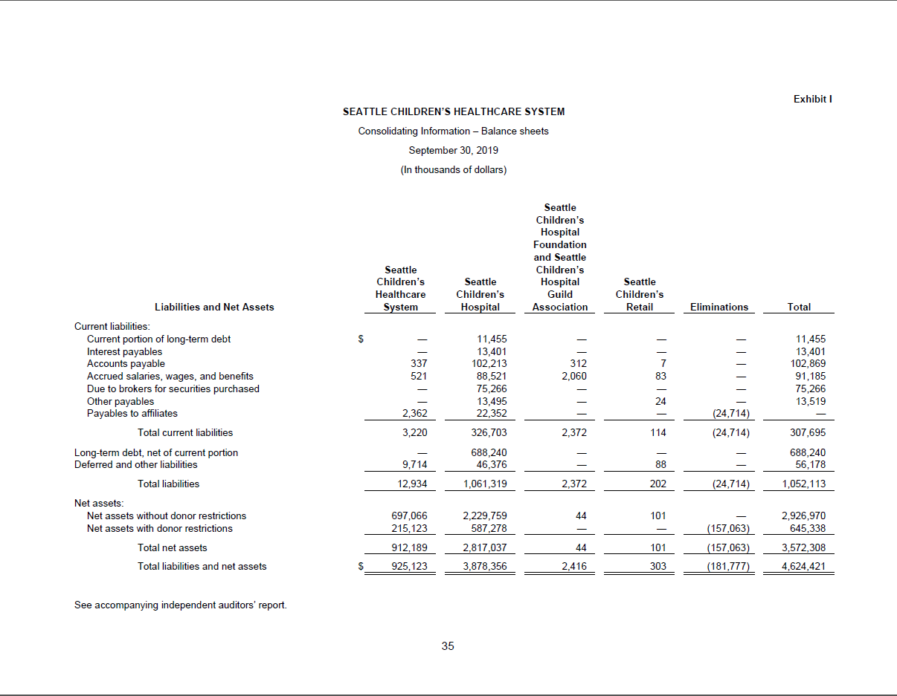
SUPPORTING SCHEDULES
SS-2 EMPLOYEE BENEFITS
FICA Taxes | : | 47,170,786 |  |  |  |  | 7110-0 | √√ | Increase in employees
Unemployment Compensation | : | 630,495 |  |  |  |  | 7120-0 | √√
Workers Compensation | : | 4,080,454 |  |  |  |  | 7130-0 | √√
Group Health Insurance | : | 87,352,371 |  |  |  |  | 7140 | √√ | increase in employees, increase in ins costs
Group Life Insurance | : | 0
Pension & Retirement | : | 33,074,738 |  |  |  |  | 7160 | √√
Other Employee Benefits | : | (944,449) |  |  |  |  | 7100,7125,7170,7180,7185,7192,7199 | √√ | PTO usage, dropped from $5.8M to $426K credit in FY19
Other Employee Benefits | : |  |  |  |  |  |  | √√
Total |  |  | 171,364,396
SS-3 RENTAL AND LEASE EXPENSE
Rental & Lease Exp - Bldgs | : | 30,417,687 |  |  |  |  | 7810, 7899 | √√ | 818 lease new in FY19
Rental & Lease Exp - Equip | : | 2,067,953 |  |  |  |  | 7820 | √√
Total |  |  | 32,485,640
SS-5 INSURANCE EXPENSE
Hospital & Prof Malpractice | : | 684,350 |  |  |  |  | 7935 | √√
Other Insurance | : | 6,357,423 |  |  |  |  | 7930,7940 | √√ | increase in indemnity payments from PY
Total |  |  | 7,041,773
LICENSE AND TAXES
License Fees | :
Taxes (other than income) | : | 46,768,157 |  |  |  |  | 7920,7921 | √√
Other | :
Total |  |  | 46,768,157
SS-6 INTEREST EXPENSE
Interest Expense - WC | :
Interest Expense - Other | : | 15,254,982 |  |  |  |  | 7960 | √√
Total |  |  | 15,254,982

SS-4 DEPRECIATION EXPENSE
FIXED ASSETS
 | Beg. Balance | Additions | Retirement | Ending Balance
Land | 219,455,313 | 1,711,000 | 0 | 221,166,313 |  |  | 18010 | √√ | adds/retirements ties to Marissa's file: 801_+802_+SCHPropertyRollforward_FY2019_UPDATED
Land Improvements | 14,657,706 | 32,724 | 0 | 14,690,430 |  |  | 18020 | √√ | adds/retirements ties to Marissa's file: 801_+802_+SCHPropertyRollforward_FY2019_UPDATED
Buildings | 961,783,605 | 301,503,134 | 149,282 | 1,263,137,456 |  |  | 18030, 18050 | √√ | adds/retirements ties to Marissa's file: 801_+802_+SCHPropertyRollforward_FY2019_UPDATED
Fixed Equipment - Bldg Srv | 0 | 0 | 0 | 0
Fixed Equipment - Other | 44,738,076 | 19,265,418 | 0 | 64,003,493 |  |  | 18040 | √√ | adds/retirements ties to Marissa's file: 801_+802_+SCHPropertyRollforward_FY2019_UPDATED
Equip - Major Moveable | 498,391,563 | 62,321,943 | 7,102,747 | 553,610,759 |  |  | 18000,18001,18060 | √√ | adds/retirements ties to Marissa's file: 801_+802_+SCHPropertyRollforward_FY2019_UPDATED
Equip - Minor | 0 | 0 | 0 | 0
Leasehold Improvements | 58,651,290 | 14,146,291 | 405,388 | 72,392,193 |  |  | 18070 | √√ | adds/retirements ties to Marissa's file: 801_+802_+SCHPropertyRollforward_FY2019_UPDATED
Construction In Progress | 245,531,870 | 348,063,189 | 398,063,357 | 195,531,703 |  |  | 18548,18550,18590,18595 | √√ | adds/retirements ties to Marissa's file: 801_+802_+SCHPropertyRollforward_FY2019_UPDATED
Total | 2,043,209,422 | 747,043,698 | 405,720,773 | 2,384,532,347

ACCUMULATED DEPRECIATION
 | Beg. Balance | Additions | Retirement | Ending Balance
Land
Land Improvements | 7,431,884 | 793,220 | 0 | 8,225,104 |  |  | 18320 | √√ | adds/retirements ties to Marissa's file: 801_+802_+SCHPropertyRollforward_FY2019_UPDATED
Buildings | 373,579,472 | 37,928,226 | 142,377 | 411,365,321 |  |  | 18330,18350 | √√ | adds/retirements ties to Marissa's file: 801_+802_+SCHPropertyRollforward_FY2019_UPDATED
Fixed Equipment - Bldg Srv | 0 | 0 | 0 | 0
Fixed Equipment - Other | 25,077,043 | 2,616,126 | 0 | 27,693,169 |  |  | 18340 | √√ | adds/retirements ties to Marissa's file: 801_+802_+SCHPropertyRollforward_FY2019_UPDATED
Equip - Major Moveable | 339,961,017 | 52,692,739 | 6,873,289 | 385,780,467 |  |  | 18360 | √√ | adds/retirements ties to Marissa's file: 801_+802_+SCHPropertyRollforward_FY2019_UPDATED
Equip - Minor | 0 | 0 | 0 | 0
Leasehold Improvements | 16,786,697 | 5,007,113 | 405,388 | 21,388,422 |  |  | 18370 | √√ | adds/retirements ties to Marissa's file: 801_+802_+SCHPropertyRollforward_FY2019_UPDATED
Construction In Progress | 0 | 0 | 0 | 0
Total | 762,836,112 | 99,037,423 | 7,421,053 | 854,452,482
 |  |  |  |  | 1,530,079,865 |  |  | x
SS-8 DEDUCTIONS FROM REVENUE
 | Provision for Bad Debt
Provision for Bad Debt |  | 2,406,777 | 2,406,777 |  |  |  | 5100 | √√
Contractuals
Medicare | : | 33,959,754 |  |  |  |  | 5220 | √√
Medicaid | : | 914,668,524 |  |  |  |  | 5230,5231,5232,5233,5236,5999 | √√
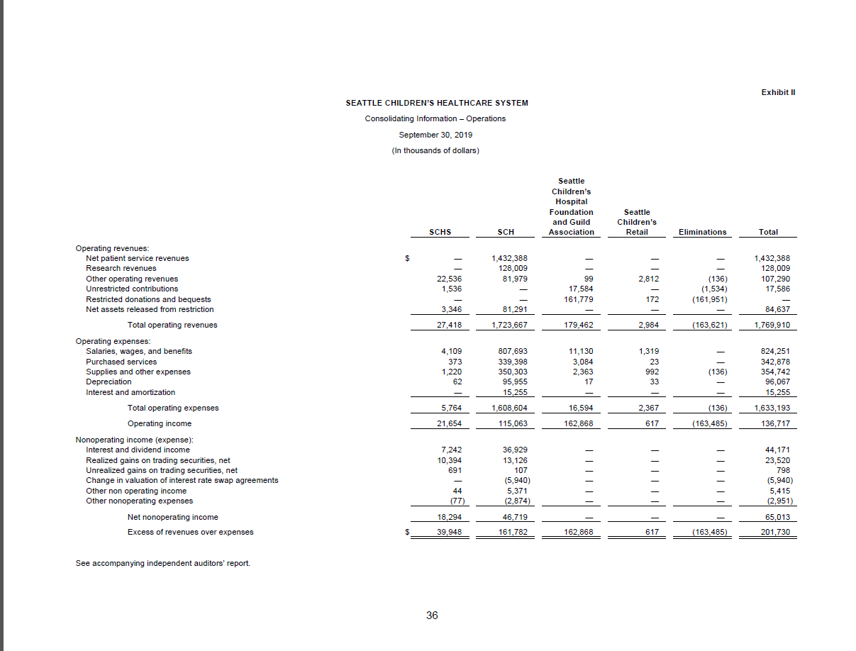
Workers Comp | : | 0
Other Government Programs | : | 69,535,592 |  |  |  |  | 5200,5240,5290 | √√
Negotiated Rate | : | 278,655,289 |  |  |  |  | 5300,5330 | √√
Other | : | 0
Total Contractuals |  |  | 1,296,819,160
Charity Care
Number of Charity Care Patients : | :

Inpatient Charity Care Provided | : | 4,954,029 |  |  |  |  | 5000,5000-1000,5000-1001 | √√ | decrease in inpatient charity care from PY
Outpatient Charity Care Provided | : | 20,975,117 |  |  |  |  | 5000-2000,5000-2001 | √√

Total Charity Care Provided |  |  | 25,929,146
Other Deductions
Administrative Adjustments | : | 17,117,982 |  |  |  |  | 5350,5390,5391,5392 | √√
Other Deductions | : | 0
Total Other Deductions |  |  | 17,117,982

Total Deductions From Revenue |  |  | 1,342,273,065 |  |  |  |  | √√

FS - 1 BALANCE SHEET (Assets)
CURRENT ASSETS:
Cash | : | 68,511,823 |  |  |  |  | 10155-10999 | √√
Marketable Securities | :
Accounts Receivable | : | 526,572,379 |  |  |  |  | 11000-11499 | √√
Less-Est. Uncoll. & Allow. | : | 255,793,096 |  |  |  |  | 11600-11690 | √√
Rec. From 3rd Party Payers | : |  |  |  |  |  | 12000-12830,12916,15098 | √√
Pledges & Other Receivables | : | 133,908,539
Due From Restricted Funds | :
Inventory | : | 18,719,564 |  |  |  |  | 13000-13099 | √√
Prepaid Expenses | : | 27,287,334 |  |  |  |  | 13500-13870 | √√
Current Portion of FHT | : | 24,856,083 |  |  |  |  | 14099 | √√
Total Current Assets |  |  | 544,062,626 |  |  |  |  | x
BOARD DESIGNATED ASSETS
Cash | :
Marketable Securities | : | 1,520,187,571 |  |  |  |  | 15299, 15397, 15399,10502,15004-15300, 15920, 15962 | √√
Other Assets | : | 2,321,840 |  |  |  |  | 16500 | √√
Total BDA |  |  | 1,522,509,410 |  |  |  |  | x
PROP, PLANT, & EQUIP
Land | : | 221,166,313 |  |  |  |  | 18010 | √√
Land Improvements | : | 14,690,430 |  |  |  |  | 18020 | √√
Buildings | : | 1,263,137,456 |  |  |  |  | 18030, 18050 | √√
Fixed Equip - Bldg Srv | : | 0
Fixed Equip - Other | : | 64,003,493 |  |  |  |  | 18040 | √√
Equipment | : | 553,610,759 |  |  |  |  | 18060 | √√
Leasehold Improvements | : | 72,392,193 |  |  |  |  | 18070 | √√
Construction In Progress | : | 195,531,703 |  |  |  |  | 18548-18595 | √√
Total P P & E |  |  | 2,384,532,347
Less Accum. Depreciation | : | 854,452,482 |  |  |  |  | 18320-18399 | √√ | increase in buildings (Building Cure) and CIP (Building Care)
Net P P & E |  |  | 1,530,079,865
INVESTMENTS & OTHER ASSETS
Investments In P P & E | :
Less - Accum Depre | :
Other Investments | :
Other Assets | : | 281,703,766 |  |  |  |  | 17099, 18140, 18440,16800-16890,19800-19805 | √√ | increase in pledges receivable, 39th and Othello Investment
Total Invest. & Other Assets |  |  | 281,703,766

INTANGIBLE ASSETS
Goodwill | :
Unamortized Loan Costs | :
Preopening & Other Org Costs | :
Other Intangible Assets | :
Total Intangible Assets |  |  | 0

Total Assets |  |  | 3,878,355,666 |  |  |  |  | x

FS - 1 BALANCE SHEET ( Liabilities)
CURRENT LIABILITIES
Notes and Loans Payable | : | 0
Accounts Payable | : | 102,213,302 |  |  |  |  | 20010-20299 | √√
Accrued Compensation | : | 88,521,309 |  |  |  |  | 20300-20364 | √√
Other Accrued Expenses | : | 13,401,083 |  |  |  |  | 20400 | √√
Advances From 3rd Parties | : | 0
Payables to 3rd Party Payers | : | 0
Due to Restricted Funds | : | 0
Income Taxes Payable | : | 0
Other Current Liabilities | : | 111,112,510 |  |  |  |  | 20099,20218,20615,20620,20660,20661,20665,20671,20672,20681-20683 | √√
Current Maturities of LTD | : | 11,455,000 |  |  |  |  | 20100 | √√
Total Current Liabilities |  |  | 326,703,205 |  |  |  |  | √√
DEFERRED CREDITS
Deferred Income Taxes | : | 0
Deferred 3rd Party Revenue | : | 0
Other Deferred Credits | : | 0
Total Deferred Credits |  |  | 0
LONG TERM DEBT
Mortgage Payable | : | 0
Construction Loans - Interim | : | 0
Notes Payable | : | 0
Capitalized Lease Obligations | : | 0
Bonds Payable | : | 699,695,150 |  |  |  |  | 26009-26033,20100 | √√
Notes and Loans Payable to Parent | : | 0
Noncurrent Liabilities | : | 46,375,762 |  |  |  |  | 20660,21000,21030,21032,21300,21400,23000,23500,26080,26081 | √√ | State B&O reserve (new), CIDR funds (new), increase in swap from PY
Total |  |  | 746,070,911
Less Current Maturities LTD |  |  | 11,455,000 |  |  |  | 20100 | √√
Total Long Term Debt |  |  | 734,615,911

Unrestricted Fund Balance | : | 2,817,036,550 |  |  |  |  | 3xxxx | √√ | Net assets including restricted (make note in report includes both without restriction and with donor restriction)

Preferred Stock | :
Common Stock | :
Additional Paid In Capital | :
Retained Earnings | :
Less: Treasury Stock | :
Total Liab & Fund Bal or Equity |  |  | 3,878,355,666 |  |  |  |  | x

Check Figure Total Assets |  |  | 3,878,355,666

FS - 3 STATEMENT OF REVENUE & EXPENSE
OPERATING REVENUE
Inpatient Revenue | : | 1,754,258,239 |  |  |  |  |  | √√
Outpatient Revenue | : | 1,020,402,295 |  |  |  |  |  | √√
Total Patient Services Revenue |  |  | 2,774,660,534 |  |  |  |  | √√
DEDUCTIONS FROM REVENUE
Provision for Bad Debt |  | 2,406,777 |  |  |  |  | 5100 | √√
Contractual Adjustments | : | 1,296,819,160 |  |  |  |  | see above | √√
Charity & Uncompensated Care | : | 25,929,146 |  |  |  |  | see above | √√
Other Adj. & Allowances | : | 17,117,982 |  |  |  |  | see above | √√
Total Deductions From Revenue |  |  | 1,342,273,065 |  |  |  |  | √√
Net Patient Service Revenue |  |  | 1,432,387,469 |  |  |  |  | x
OTHER OPERATING REVENUE
Other Operating Revenue | : | 291,279,525 |  |  |  |  | 6210-6999, exclude 6935-5100 | √√
Tax Revenues | :
Total Other Operating Rev |  |  | 291,279,525 |  |  |  |  | x
Total Operating Revenue |  |  | 1,723,666,995 |  |  |  |  | x

FS - 3 STATEMENT OF REVENUE & EXPENSE
Salaries and Wages | : | 636,328,081 |  |  |  |  | 7000-7099 | √√
Employee Benefits | : | 171,364,396 |  |  |  |  | 7100-7199 | √√
Professional Fees | :
Supplies | : | 187,692,225 |  |  |  |  | 7330-7399,7410-7499 | √√
Purch Srv - Utilities | : | 14,680,051 |  |  |  |  | 7510-7599 | √√
Purch Srv - Other | : | 339,397,041 |  |  |  |  | 7650,7605-7699,7780 | √√
Depreciation | : | 95,954,790 |  |  |  |  | 7720-7770,7962 | √√
Rentals/Leases | : | 32,485,640 |  |  |  |  | 7810, 7820, 7899 | √√
Insurance | : | 7,041,773 |  |  |  |  | 7930,7935,7940 | √√
License & Taxes | : | 46,768,157 |  |  |  |  | 7920, 7921 | √√
Interest | : | 15,254,982 |  |  |  |  | 7960 | √√
Other Direct Expense | : | 61,635,874 |  |  |  |  | 6935-5100,7600-7609,7965-7999 | √√
Total Operating Expenses |  |  | 1,608,603,010 |  |  |  |  | x
Net Operating Revenue |  |  | 115,063,985 |  |  |  |  | x
Non Operating Rev Net of Exp | : | 46,719,122 |  |  |  |  | 8000-8099,8811,8930, 9480-9989 | √√
Net Rev. Before Items Listed Below |  |  | 161,783,107 |  |  |  |  | x
Extraordinary Items | :
Federal Income Taxes | :
Net Revenue or (Expense) |  |  | 161,783,107 |  |  |  |  | x

 |  | EDIT
Seattle Children's H-0 FYE 09/30/2019
VOLUME: | Info Page | Payer | CC Detail
Hospital Admissions | 16,032 | 16,032
Hospital Patient Days | 105,432 | 105,432 | 106,166

SNF/Swing Admissions | 0 | 0
SNF/Swing Patient Days | 0 | 0 | 0

ATC Admissions | 0 | 0
ATC Patient Days | 0 | 0 | 0

Newborn Admissions | 0
Newborn Patient Days | 0 |  | 0

OPERATING EXPENSES: | FS-3 | CC Detail | Support Sched.
Salaries | 636,328,081 | 636,328,081
Employee Benefits | 171,364,396 | 0 | 171,364,396
Professional Fees | 0 | 0
Supplies | 187,692,225 | 187,692,225
Purch Srv - Utilities | 14,680,051 | 14,680,051
Purch Srv - Other | 339,397,041 | 339,397,041
Depreciation | 95,954,790 | 0 | 99,037,423
Leases/Rentals | 32,485,640 | 32,485,640 | 32,485,640
Insurance | 7,041,773 |  | 7,041,773
Licenses & Taxes | 46,768,157 |  | 46,768,157
Interest | 15,254,982 |  | 15,254,982
Ins, Lic. & Taxes, and Interest | 69,064,912 | 61,949,004 | 69,064,912
Other Direct Expense | 61,635,874 | 53,496,800
Total Other Direct Expense | 130,700,787 | 115,445,804
Total Expenses | 1,608,603,010 | 1,326,028,841

DEDUCTIONS: | SS-8 | FS-3
Bad Debt | 2,406,777 | 2,406,777
Contractuals | 1,296,819,160 | 1,296,819,160
Charity Care | 25,929,146 | 25,929,146
Other Deductions | 17,117,982 | 17,117,982
Total Other Deductions | 1,342,273,065 | 1,342,273,065

CHARITY CARE | Deductions
 | From Revenue
 | Support Sched.
# Of Patients | 0
Inpatient | 4,954,029
Outpatient | 20,975,117

OTHER REVENUES: | FS-3 | CC-DETAIL
Other Revenue | 291,279,525 | 291,279,525
Tax Revenue | 0 | 0

PATIENT SERVICE REVENUE: |  |  | PAYER
 | FS-3 | CC-DETAIL | INFO
IP Revenue | 1,754,258,239 | 1,754,592,481 | 1,754,258,239
OP Revenue | 1,020,402,295 | 1,008,947,427 | 1,020,402,295
Gross Revenue | 2,774,660,534 | 2,763,539,908 | 2,774,660,534

FIXED ASSET ENDING BALANCES: | FS-1 | SS-4
Land | 221,166,313 | 221,166,313
Land Improvements | 14,690,430 | 14,690,430
Buildings | 1,263,137,456 | 1,263,137,456
Fixed Equip - Bldg Serv | 0 | 0
Fixed Equip - Other | 64,003,493 | 64,003,493
Equipment (Moveable) | 553,610,759 | 553,610,759
Leasehold Improvements | 72,392,193 | 72,392,193
Construction In Progress | 195,531,703 | 195,531,703
Total | 2,384,532,347 | 2,384,532,347

Accum Depre Ending Balance | 854,452,482 | 854,452,482

Balance Sheet
FS-1 Assets |  | 3,878,355,666
FS-1 Liabilities & Fund Balance |  | 3,878,355,666

The actual operating expenses and units of measure are presented for the past two years in columns B-E.
The operating expenses per unit of measure are presented in columns F and G.
If the percentage change in operating expenses varies by more or less than 25 %, the variance appears in column H.

If the percentage change is more or less than 25%., please provide an explanation that is provided as an attachment with your
year end report submittal. Also please provide any corrections required to the prior years information.

014 | 2018 | 2019 | 2018 | 2019 | 2018 | 2019
 | Operating | Operating | Units of | Units of | Op Exp / | Op Exp / | % chg
 | Expense | Expense | Measure | Measure | U O M | U O M | <> 25%
6010 Intensive Care | 65,782,807 | 57,268,229 | 26,349 | 26,349 | 2496.60 | 2173.45
6030 Semi-Intensive Care | 0 | 0 | 0 | 0
6070 Acute Care | 79,637,943 | 58,266,714 | 64,221 | 64,221 | 1240.06 | 907.28 | -26.84%
6100 Alternative Birthing Center | 0 | 0 | 0 | 0
6120 Physical Rehabilitation | 4,845,693 | 3,705,957 | 3,304 | 3,304 | 1466.61 | 1121.66
6140 Psychiatric Care | 15,541,781 | 9,812,719 | 12,292 | 12,292 | 1264.38 | 798.30 | -36.86%
6150 Chemical Dependency | 0 | 0 | 0 | 0
6170 Nursery | 0 | 0 | 0 | 0
6200 Skilled Nursing | 0 | 0 | 0 | 0
6210 Swing Beds | 0 | 0 | 0 | 0
6330 Hospice Inpatient | 0 | 0 | 0 | 0
6400 Other Daily Services | 0 | 0 | 0 | 0
7010 Labor Delivery | 0 | 0 | 0 | 0
7020 Surgical Services | 55,536,480 | 46,626,925 | 1,629,865 | 1,629,865 | 34.07 | 28.61
7030 Recovery Room | 10,438,282 | 8,735,851 | 1,304,740 | 1,304,740 | 8.00 | 6.70
7040 Anesthesiology | 6,002,749 | 4,918,022 | 2,289,260 | 2,289,260 | 2.62 | 2.15
7050 Central Services | 13,874,850 | 10,324,901 | N/A | N/A
7060 Intravenous Therapy | 620,922 | 829,954 | N/A | N/A
7070 Laboratory | 46,251,131 | 36,931,055 | 1,348,167 | 1,348,167 | 34.31 | 27.39
7110 Electrodiagnosis | 8,597,659 | 6,703,730 | 38,896 | 38,896 | 221.04 | 172.35
7120 Magnetic Resonance Imaging | 1,965,809 | 1,919,017 | 177,339 | 177,339 | 11.09 | 10.82
7130 Ct Scanning | 2,147,815 | 1,881,863 | 70,089 | 70,089 | 30.64 | 26.85
7140 Radiology - Diagnostic | 22,289,402 | 17,842,009 | 169,839 | 169,839 | 131.24 | 105.05
7150 Radiology - Therapeutic | 1,073,724 | 749,230 | 0 | 0
7160 Nuclear Medicine | 1,446,742 | 1,428,756 | 6,140 | 6,140 | 235.63 | 232.70
7170 Pharmacy | 101,539,739 | 105,864,035 | N/A | N/A
7180 Respiratory Therapy | 16,431,918 | 16,984,973 | 211,798 | 211,798 | 77.58 | 80.19
7190 Dialysis | 6,580,870 | 5,288,274 | 12,851 | 12,851 | 512.09 | 411.51
7200 Physical Therapy | 6,863,290 | 5,869,466 | 168,042 | 168,042 | 40.84 | 34.93
7220 Psychiatric Day Care | 13,877,055 | 12,089,082 | 46,771 | 46,771 | 296.70 | 258.47
7230 Emergency Room | 17,875,646 | 14,662,994 | 50,644 | 50,644 | 352.97 | 289.53
7240 Ambulance | 1,951,498 | 2,979,993 | 568 | 568 | 3435.74 | 5246.47 | 52.70%
7250 Short Stay | 0 | 0 | 0 | 0
7260 Clinics | 115,222,617 | 94,080,352 | 326,826 | 326,826 | 352.55 | 287.86
7310 Occupational Therapy | 2,725,535 | 2,298,489 | 67,850 | 67,850 | 40.17 | 33.88
7320 Speech Therapy | 2,433,979 | 1,838,506 | 50,189 | 50,189 | 48.50 | 36.63
7330 Recreational Therapy | 2,804,809 | 2,026,494 | 0 | 0
7340 Electromyography | 0 | 0 | 0 | 0
7350 Observation Unit | 0 | 0 | 0 | 0
7380 Free-Standing Clinics | 0 | 0 | 0 | 0
7390 Air Transportation | 0 | 19,370 | 0 | 0
7400 Home Care Services | 14,545,627 | 13,213,407 | 55,812 | 55,812 | 260.62 | 236.75
7410 Lithotripsy | 0 | 0 | 0 | 0
7420 Organ Transplants | 4,037,220 | 3,790,453 | 62 | 62 | 65116.45 | 61136.34
7430 Outpatient Chem. Dep. | 0 | 0 | 0 | 0
7490 Other Ancillary | 4,757,874 | 3,854,566 | N/A | N/A
8200 Research / Education | 92,814,570 | 64,860,413 | N/A | N/A
8310 Printing & Duplication | 1,995,515 | 3,838,170 | N/A | N/A
8320 Dietary | 14,999,152 | 10,782,466 | 1,092,264 | 1,092,264 | 13.73 | 9.87 | -28.11%
8330 Cafeteria | 557,815 | 47,272 | 1,092,264 | 1,092,264 | 0.51 | 0.04 | -91.53%
8350 Laundry & Linen | 3,521,252 | 3,309,864 | 0 | 0
8360 Social Services | 16,646,579 | 13,691,571 | N/A | N/A
8370 Central Transportation | 285,377 | 280,048 | N/A | N/A
8420 Purchasing | 3,330,869 | 2,831,196 | N/A | N/A
8430 Plant | 45,137,203 | 33,735,247 | 1,387,128 | 1,380,938 | 32.54 | 24.43
8460 Housekeeping | 11,633,646 | 10,334,439 | N/A | N/A
8470 Communication | 4,712,246 | 3,740,265 | N/A | N/A
8480 Data Processing | 84,753,660 | 70,934,962 | N/A | N/A
8490 Other General Services | 7,086,927 | 7,385,604 | N/A | N/A
8510 Accounting | 12,784,580 | 10,500,699 | N/A | N/A
8530 Patient Accounts | 11,786,428 | 9,642,906 | N/A | N/A
8560 Admitting | 7,167,073 | 5,832,476 | N/A | N/A
8590 Other Fiscal Services | 0 | 0 | N/A | N/A
8610 Hospital Administration | 29,673,474 | 26,022,049 | N/A | N/A
8620 Employee Health | 2,178,015 | 2,059,599 | N/A | N/A
8630 Public Relations | 10,847,611 | 7,052,418 | N/A | N/A
8640 Management Engineering | 7,074,078 | 6,684,714 | N/A | N/A
8650 Personnel | 12,647,345 | 12,694,666 | N/A | N/A
8660 Auxiliary Groups | 633,907 | 403,510 | N/A | N/A
8670 Chaplaincy Services | 941,351 | 726,702 | N/A | N/A
8680 Medical Library | 1,416,188 | 1,135,392 | N/A | N/A
8690 Medical Records | 7,071,474 | 4,841,065 | N/A | N/A
8700 Medical Staff | 32,488,691 | 32,362,121 | N/A | N/A
8710 Utilization Management | 14,789,712 | 13,953,497 | N/A | N/A
8720 Nursing Administration | 8,014,841 | 6,856,620 | N/A | N/A
8730 Nursing Float Personnel | 7,313,644 | 6,092,509 | N/A | N/A
8740 Inservice Education | 0 | 0 | N/A | N/A
8770 Comm. Health Education | 0 | 0 | N/A | N/A
8790 Other Admin. Services | 21,064,485 | 47,362,464 | N/A | N/A
8830-8900 Unassigned Other Direct | 56,889,772 | 61,949,004 | N/A | N/A

 |  | DIRECT | 1,229,337 | 921,902,017 | 184,238,665 | 1,092,264 | 5,972.25 | 207,564 | 3,562,788 | 2,763,539,908 | 1,427.44
 |  | OP EXP | SQ FT | ACCUM COST | SUPPLIES | MEALS SRV | F T E'S | HRS OF SRV | DRY LBS | GROSS REV | NRS F T E'S
...

NACHRI 19
...
11 | 183 | 631,278 | 1,406,553 | 2,037,831 | 1,228,520 | 809,312 | 0.07% | 0.1% | Othe Govt
...
41 | 152 | 1,342,707 | 10,292,594 | 11,635,301 | 6,735,548 | 4,899,753 | 0.42% | 0.4% | Self Pay & Charity

5,915 | 41,100 | 750,435,515 | 536,589,691 | 1,287,025,206 | 315,246,517 | 971,778,689
5,847 | 40,340 | 746,682,343 | 533,978,754 | 1,280,661,097 | 312,187,932 | 968,473,165 | 46.16% | 46.2% | Comm HMO
68 | 760 | 3,753,172 | 2,610,937 | 6,364,109 | 3,058,585 | 3,305,525 | 0.23% | 0.2% | Other Comm
...
12,145 | 96,156 | 1,754,258,239 | 1,020,402,295 | 2,774,660,534 | 1,342,273,065 | 1,432,387,469 | 100.0% | 100.0%
A-1
A-1
A-1
 |  | 0 | 0
...

